Rates table
XGS Rate tables
Source: XGS - Trish; 11 March 2025

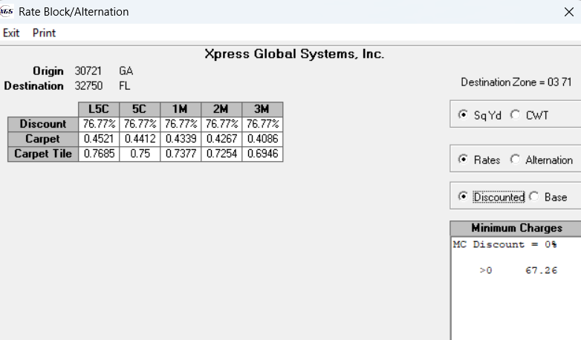
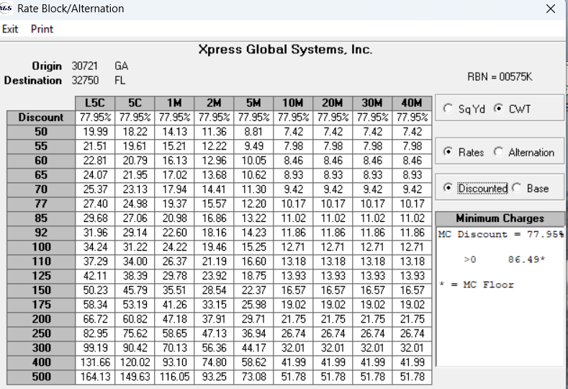
Longwood 32750:
 |  |  | From | 0 | 500 | 1000 | 2000 | 3000 | 5000 | 10000 | 20000 | 30000 | 40000
 |  | Data | To | 499 | 999 | 1999 | 2999 | 4999 | 9999 | 19999 | 29999 | 39999 | 1000000
 |  | UNIT | Class | L5C | 5C | 1M | 2M | 3M | 5M | 10M | 20M | 30M | 40M
 |  | CWT | 60 | 22.81 | 20.79 | 16.13 | 12.96 | 12.96 | 10.05 | 8.46 | 8.46 | 8.46 | 8.46
 |  | CWT | 70 | 25.37 | 23.13 | 17.94 | 14.14 | 14.14 | 11.3 | 9.42 | 9.42 | 9.42 | 9.42
 |  | CWT | 150 | 50.23 | 45.79 | 35.51 | 28.54 | 28.54 | 22.37 | 16.57 | 16.57 | 16.57 | 16.57
 |  | Discount |  | 77.95% | 77.95% | 77.95% | 77.95% | 77.95% | 77.95% | 77.95% | 77.95% | 77.95% | 77.95%
 |  | UNIT | Class | L5C | 5C | 1M | 2M | 3M
 |  | SQYD | Carpet | 0.4521 | 0.4412 | 0.4339 | 0.4267 | 0.4086
 |  | SQYD | Carpet Tile | 0.7685 | 0.75 | 0.7377 | 0.7254 | 0.6946
 |  | Discount |  | 76.77% | 76.77% | 76.77% | 76.77% | 76.77%

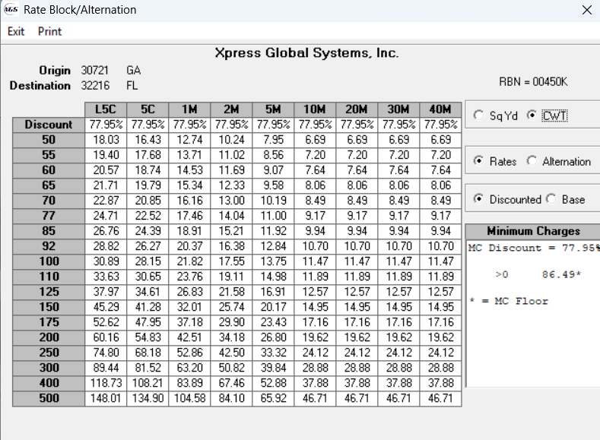
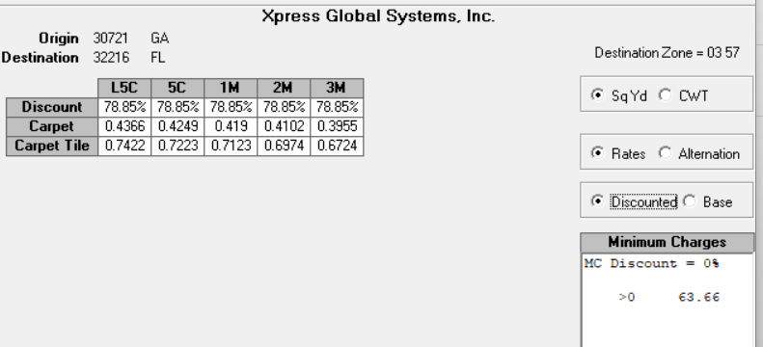
 |  | Units->Cents
Jacksonville 32216
 |  | Data
 |  | UNIT | Class | L5C | 5C | 1M | 2M | 3M | 5M | 10M | 20M | 30M | 40M
 |  | CWT | 60 | 20.57 | 18.74 | 14.53 | 11.69 | 11.69 | 9.07 | 7.64 | 7.64 | 7.64 | 7.64
 |  | CWT | 70 | 22.87 | 20.85 | 16.16 | 13 | 13 | 10.19 | 8.49 | 8.49 | 8.49 | 8.49
 |  | CWT | 150 | 45.29 | 41.28 | 232.01 | 25.74 | 25.74 | 20.17 | 14.95 | 14.95 | 14.95 | 14.95
 |  | Discount |  | 77.95% | 77.95% | 77.95% | 77.95% | 77.95% | 77.95% | 77.95% | 77.95% | 77.95% | 77.95%
 |  | UNIT | Class | L5C | 5C | 1M | 2M | 3M
 |  | SQYD | Carpet | 0.4366 | 0.4249 | 0.419 | 0.4102 | 0.3955
 |  | SQYD | Carpet Tile | 0.7422 | 0.7223 | 0.7123 | 0.6974 | 0.6724
 |  | Discount |  | 78.85% | 78.85% | 78.85% | 78.85% | 78.85%

Tampa – 33605

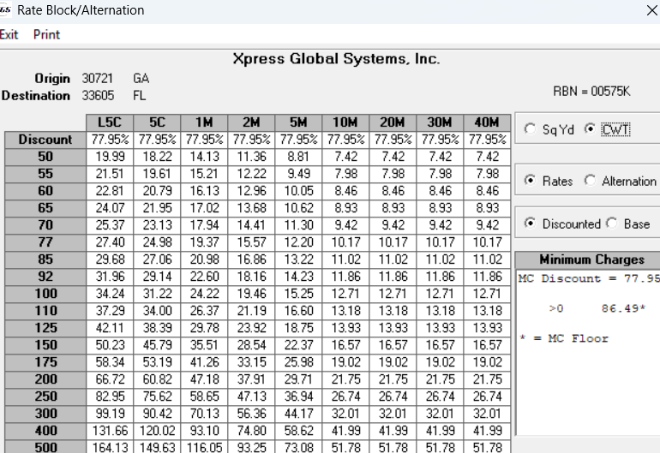
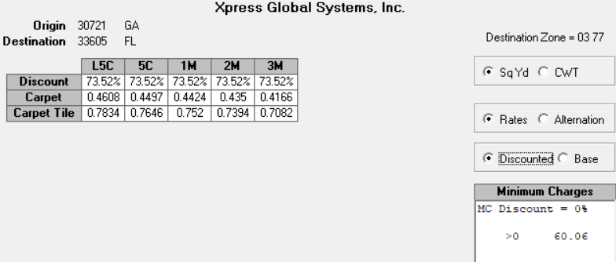
 |  | Data
 |  | UNIT | Class | L5C | 5C | 1M | 2M | 3M | 5M | 10M | 20M | 30M | 40M
 |  | CWT | 60 | 22.81 | 20.79 | 16.13 | 12.96 | 12.96 | 10.05 | 8.46 | 8.46 | 8.46 | 8.46
 |  | CWT | 70 | 25.37 | 23.13 | 17.94 | 14.41 | 14.41 | 11.3 | 9.42 | 9.42 | 9.42 | 9.42
 |  | CWT | 150 | 50.23 | 45.79 | 35.51 | 28.54 | 28.54 | 22.37 | 16.57 | 16.57 | 16.57 | 16.57
 |  | Discount |  | 77.95% | 77.95% | 77.95% | 77.95% | 77.95% | 77.95% | 77.95% | 77.95% | 77.95% | 77.95%
 |  | UNIT | Class | L5C | 5C | 1M | 2M | 3M
 |  | SQYD | Carpet | 0.4608 | 0.4497 | 0.4424 | 0.435 | 0.4166
 |  | SQYD | Carpet Tile | 0.7834 | 0.7646 | 0.752 | 0.7394 | 0.7082
 |  | Discount |  | 73.52% | 73.52% | 73.52% | 73.52% | 73.52%

 | Truck load rates from Trish

 | Longwood, FL 32750 - $2324
 | Tampa, FL 33605 - $2371
 | Jacksonville, FL 32216 - $1628

 | Houston, TX 77040 - $2100
 | Coppell, TX 75019 - $2100
 | Austin, TX 78754 - $2336
 | San Antionio, TX 78247 - $2336

